Hoja2
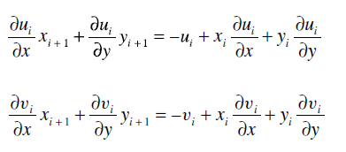

Hoja4
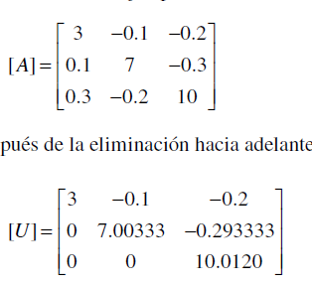

 |  |  |  | r2=r2-F*r1 | F=0.1/3

 |  |  |  | r3=r3-F*r1 | F=0.3/3

 |  |  |  | 0.1-0.1/3*3 | 7-0.1/3*-0.1 | -0.3-0.1/3*-0.2
 |  |  |  | 0 | 7.00333 | -0.299
 |  |  |  | 0.3-0.3/3*3 | -0.2-0.3/3*-0.1 | 10-0.3/3*-0.2
 |  |  |  | 0 | -0.19 | 10.02 | r3=r3-Fr2 | F=-0.19/7.00333
 |  |  |  | 0 | 0 | 10.02+0.19/7.0033*-0.29333
 |  |  |  |  |  | 10.012041937

 | 1 | 0 | 0
L | 0.033333333333 | 1 | 0
 | 0.1 | -0.027129951038 | 1

